Board Game
Avg Prize

GAME RULES | Prize Table
There are 5 coins. The game consists of 5 rounds. Each round you flip all 5 coins. After all 5 rounds are over, you count how many total HEADs you flipped, and are awarded a corresponding prize. Pre Game Boost Before the game starts, the player can be given a boost of up to 5 HEADs to start the bonus. | Heads | Prize
 | 0 to 5 | 0
 | 6 to 10 | 10
 | 11 to 15 | 25
 | 16 to 20 | 100
 | 21 to 25 | 500
 | 26+ | 10000

 | Pre Game Boost
 | Heads | Weight
 | 0 | 50
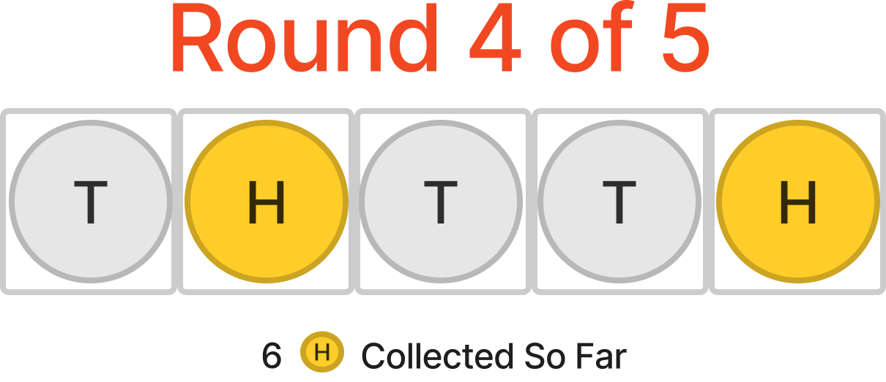
 | 1 | 25
 | 2 | 15
 | 3 | 5
 | 4 | 4
 | 5 | 1

 | Coin Weight
 | Face | Weight
 | H | 45
 | T | 55

